Feuil1
 | MAKE |  | model/size |  | n° | Year
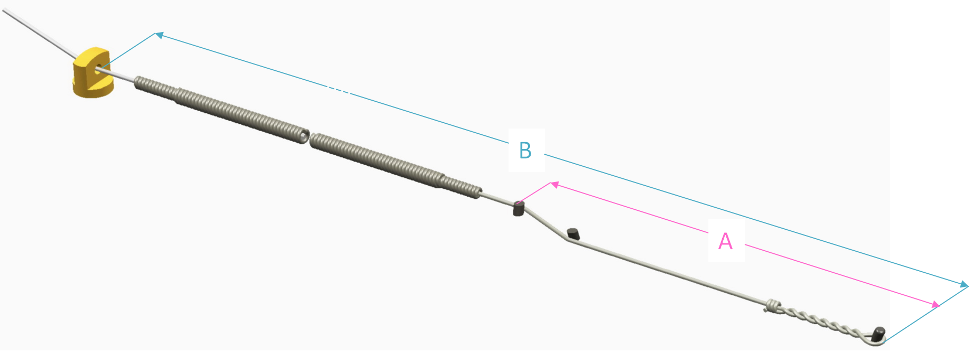

Be careful !
Measurements in millimeters

N° | A in mm | B in mm | Resulting vibrating length* = B - A | A : from the back of the hitch pin to the front of the front bridge pin
 |  |  |  | B : from the back of the hitch pin to the front of the agraffe
1 |  |  | 0
2 |  |  | 0
Resulting vibrating lengths make it possible to verify the measurings of A and B
If you notice that vibrating lengths differ by more than one millimeter within a bichord or a trichord
either the bridge is not notched: then it is normal that the lengths are slightly different
or the bridge is notched: lengths should be identical. Thank you for checking your measurings.
3 |  |  | 0
4 |  |  | 0
5 |  |  | 0
6 |  |  | 0
7 |  |  | 0
8 |  |  | 0
9 |  |  | 0
10 |  |  | 0
11 |  |  | 0
12 |  |  | 0
13 |  |  | 0
14 |  |  | 0
15 |  |  | 0
16 |  |  | 0
17 |  |  | 0
18 |  |  | 0
19 |  |  | 0
20 |  |  | 0
21 |  |  | 0
22 |  |  | 0
23 |  |  | 0
24 |  |  | 0
25 |  |  | 0
26 |  |  | 0
27 |  |  | 0
28 |  |  | 0
29 |  |  | 0
30 |  |  | 0
31 |  |  | 0
32 |  |  | 0
33 |  |  | 0
34 |  |  | 0
35 |  |  | 0
36 |  |  | 0
37 |  |  | 0
38 |  |  | 0
39 |  |  | 0
40 |  |  | 0
41 |  |  | 0
42 |  |  | 0
43 |  |  | 0
44 |  |  | 0
45 |  |  | 0
46 |  |  | 0
47 |  |  | 0
48 |  |  | 0
49 |  |  | 0
50 |  |  | 0

